Directions
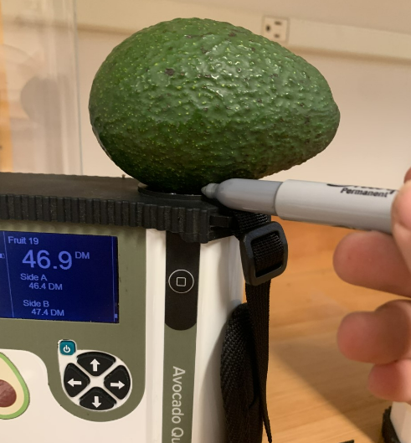
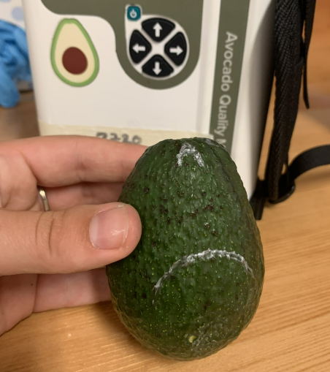
How to Calibrate and Test the Preformance of your F-751 Avocado Quality Meter
 |  |  | Picture 1 |  | Picture 2
STEPS: | DIRECTIONS:
1 | Collect 10 Hass avocado fruit for the calibration. Make sure all fruit are relatively firm and not soft. The set should include fruit from as wide a range as possible, from low to high dry matter (at least a range of 10% dry matter; for example 20-30% dry matter). The wider the range of fruit the better.
2 | Prior to beginning measurements, ensure that all avocados are at room temperature by making sure they have been sitting out of direct sunlight in the room temperature setting (20-25C) for at least 2 hours. *If you will be scanning fruit at a temperature other than room temp, let the fruit equilibrate the same way at the required temperature.
3 | Number the avocados 1-10 using a silver or white permanent marker.
4 | Use 2 scan sits, equidistant from one another, around the equator of the fruit. We recommened using the dorsal and ventral side of the fruit.
5 | Mark the location of each scan site using the same silver or white permanent marker and lebel next to each scan site with the letters A or B. (Picture 1 and 2)
6 | Scanning should proceed in the following order: "1A, 1B, 2A, 2B, 3A, 3B…" NOTE: The default setting on the instrument is to automatically take 3 scans per side. Wait until all three scans have completed before proceeding to the next side of the fruit.
7 | Once the scanning of all fruit is completed, archive the data by navigating to Archive Data and following the on-screen prompts to archive | Sample # | F-751 Avg. Prediction | Open the .txt file "AvocadoApp_AppLog", paste entire contents HERE
8 | Power the instrument OFF. Eject the SD card and insert into your PC | 1 | #DIV/0!
9 | Navigate to the Archive folder on the SD card and open the folder with the data you archived. | 2 | #DIV/0!
10 | Open the .txt file called "AvocadoApp_AppLog" and copy and paste the entire contents in the cell indicated by the blue arrow (I13) | 3 | #DIV/0!
Blue arrows in this template indicate where you need to input your data!
 |  | 4 | #DIV/0!
 |  | 5 | #DIV/0!
 |  | 6 | #DIV/0!
 |  | 7 | #DIV/0!
 |  | 8 | #DIV/0!
 |  | 9 | #DIV/0!
 |  | 10 | #DIV/0!

Analytical Dry Matter
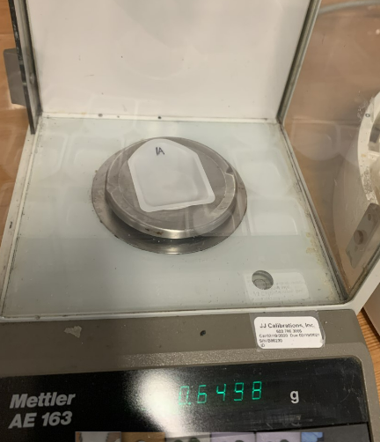
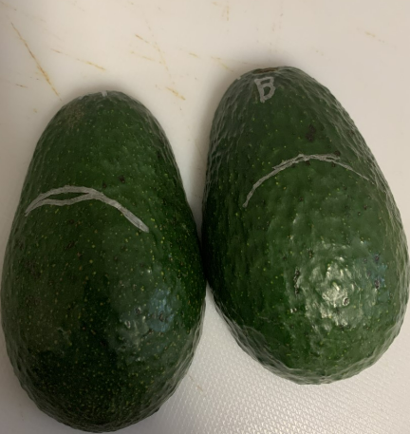
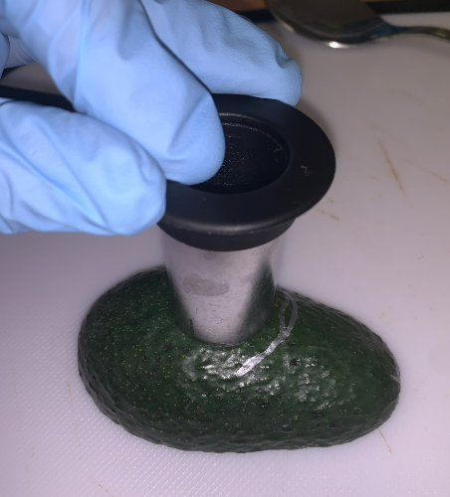
STEPS: | DIRECTIONS:
1 | After the scans are complete, pre-weigh 20 empty, small weigh boats labeled with the sample number and scan letter (Ex. 1A, 1B, 2A, etc.) [Picture 1]
2 | Input the values of the weigh boats in the column marked "Boat Weight." Ideally, your scale should have a resolution of at least 0.001 g.
3 | Execute the next steps as quickly as possible to reduce the amount of water loss from the avocado samples.
4 | First, cut the avocado in half so that your scan sites are now on 2 different fruit halves and remove the pit (Picture 2).
5 | Next, take a circular core approximately 2.5 to 3 cm wide from the scan site labeled "A" (if you have a coring tool, take a core sample and plunge it through with the plunger and stoper) [Picture 3 and 4]. Keep the pulp that is closest to the skin (up to 1 cm deep), slice off the skin, and any remaining flesh from the core leaving only ~1-2cm of flesh (Picture 5 and 6).
6 | Place the sample core in the weigh boat and record the total weight in the column labeled "Boat+Fresh Core."
7 | Repeat steps 5-7 with the remaining scan sites.
8 | Repeat steps 4-8 for the remaining avocados.
9 | Dry the samples in a food dehydrator at 60-65°C for ~48 - 72 hours or follow your standardized microwave dehydration protocol, making sure not to burn any of the samples. |  |  |  |  |  |  |  |  | Picture 1 | Picture 2 | Picture 3
10 | Remove any burned samples from the analysis.
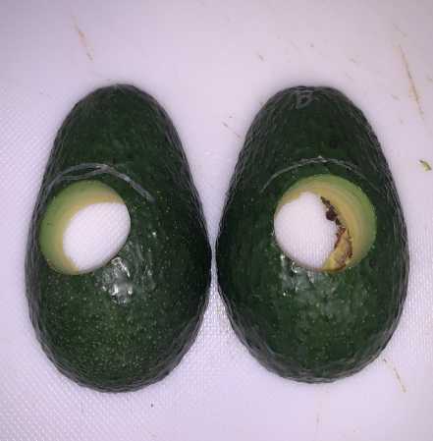
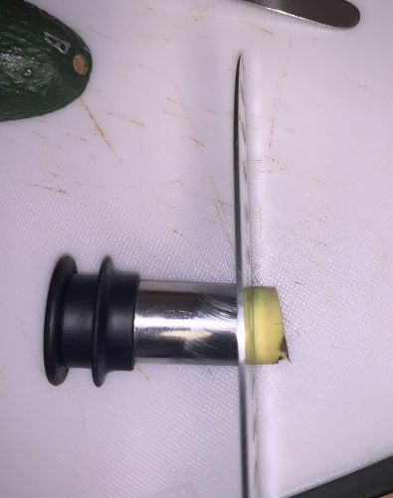
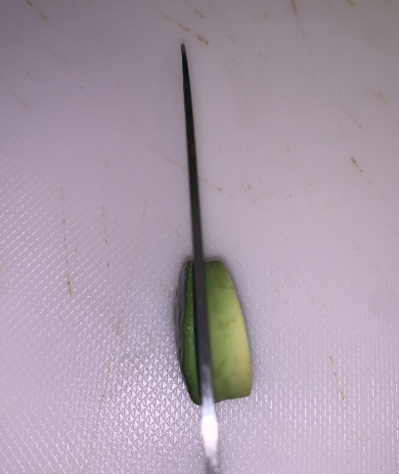
11 | Remove 5 random samples from the dehydrator or oven, allow to cool, then weigh the samples. Record the weight in the column labeled "Boat + Dry Core INITIAL."
12 | Put the 5 samples back into the oven or dehydrator and allow them to dry for an additional 30 minutes.
13 | Remove the same 5 samples from steps 11-12 and allow to cool. Weigh the samples and record the weight in the column labeled "Boat + Dry Core FINAL." If the two values are within ± 0.01g, the cell will be highlighted green indicating the samples have been completely dried and you may proceed with the next step.

14 | Record the weight of the dried core in the weigh boat and record in column F marked "Boat + Dry Core FINAL."
15 | Proceed to the "Linear Regression" tab.
 |  | Your data goes here!

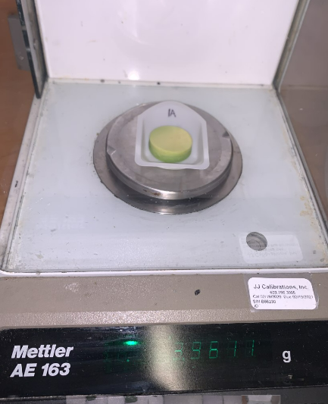
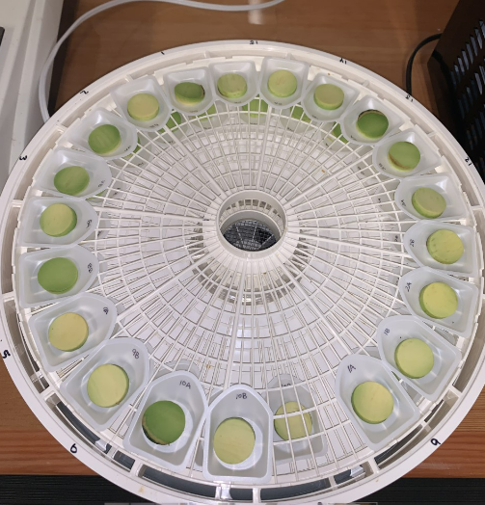
 | Sample | Boat weight | Boat + Fresh Core | Wet Weight | Boat + Dry Core INITIAL | Boat + Dry Core FINAL | Dry Weight | % Dry Matter | Avg % Dry Matter | Picture 4 | Picture 5 | Picture 6
 | 1A |  |  | 0 |  |  | 0 | #DIV/0! | #DIV/0!
 | 1B |  |  | 0 |  |  | 0 | #DIV/0!
 | 2A |  |  | 0 |  |  | 0 | #DIV/0! | #DIV/0!
 | 2B |  |  | 0 |  |  | 0 | #DIV/0!
 | 3A |  |  | 0 |  |  | 0 | #DIV/0! | #DIV/0!
 | 3B |  |  | 0 |  |  | 0 | #DIV/0!
 | 4A |  |  | 0 |  |  | 0 | #DIV/0! | #DIV/0!
 | 4B |  |  | 0 |  |  | 0 | #DIV/0!
 | 5A |  |  | 0 |  |  | 0 | #DIV/0! | #DIV/0!
 | 5B |  |  | 0 |  |  | 0 | #DIV/0!
 | 6A |  |  | 0 |  |  | 0 | #DIV/0! | #DIV/0!
 | 6B |  |  | 0 |  |  | 0 | #DIV/0!
 | 7A |  |  | 0 |  |  | 0 | #DIV/0! | #DIV/0!
 | 7B |  |  | 0 |  |  | 0 | #DIV/0!
 | 8A |  |  | 0 |  |  | 0 | #DIV/0! | #DIV/0!
 | 8B |  |  | 0 |  |  | 0 | #DIV/0!
 | 9A |  |  | 0 |  |  | 0 | #DIV/0! | #DIV/0!
 | 9B |  |  | 0 |  |  | 0 | #DIV/0!
 | 10A |  |  | 0 |  |  | 0 | #DIV/0! | #DIV/0!
 | 10B |  |  | 0 |  |  | 0 | #DIV/0! |  | Picture 7 | Picture 8

Linear Regression
Sample | 751 % DM Prediction | Analytical % DM | Corrected Prediction |  | F-751 Prediction | Analytical %DM | Measurement Offset
1 | #DIV/0! | #DIV/0! | #DIV/0! | All Fruit | #DIV/0! | #DIV/0! | #DIV/0!
2 | #DIV/0! | #DIV/0! | #DIV/0!
3 | #DIV/0! | #DIV/0! | #DIV/0!
751 Corrected Predictions and Traditional DM
4 | #DIV/0! | #DIV/0! | #DIV/0!
5 | #DIV/0! | #DIV/0! | #DIV/0!
6 | #DIV/0! | #DIV/0! | #DIV/0!
7 | #DIV/0! | #DIV/0! | #DIV/0!
8 | #DIV/0! | #DIV/0! | #DIV/0!
9 | #DIV/0! | #DIV/0! | #DIV/0!
10 | #DIV/0! | #DIV/0! | #DIV/0!

 | *Important Note: This worksheet does not require any data entry! Do not input any data into any cell in the tab!

